Analysis
 | INV |  |  |  |  |  |  |  |  |  |  |  |  |  |  |  |  |  | NONINV
 | PURCH |  |  |  |  |  | RE-FI-CO |  |  |  |  |  | RE-FI-NCO |  |  |  |  |  | PURCH |  |  |  |  |  | RE-FI-CO |  |  |  |  |  | RE-FI-NCO
Row Labels | 'bal | 'actual.smm | 'model.smm | 'model w/o refi | 'Ratio | 'Ratio w/o refi | 'bal | 'actual.smm | 'model.smm | 'model w/o refi | 'Ratio | 'Ratio w/o refi | 'bal | 'actual.smm | 'model.smm | 'model w/o refi | 'Ratio | 'Ratio w/o refi | 'bal | 'actual.smm | 'model.smm | 'model w/o refi | 'Ratio | 'Ratio w/o refi | 'bal | 'actual.smm | 'model.smm | 'model w/o refi | 'Ratio | 'Ratio w/o refi | 'bal | 'actual.smm | 'model.smm | 'model w/o refi | 'Ratio | 'Ratio w/o refi
-175 |  |  |  |  |  |  |  |  |  |  |  |  | 3,732,890 | 0.00 | 0.40 | 0.40 | 0.00 | 0.00 | 1,585,574 | 0.00 | 0.50 | 0.50 | 0.00 | 0.00
-150 | 5,542,927 | 0.46 | 0.48 | 0.48 | 0.97 | 0.97 | 4,293,342 | 0.00 | 0.43 | 0.43 | 0.01 | 0.01 | 11,796,095 | 0.00 | 0.42 | 0.42 | 0.00 | 0.00 | 13,640,200 | 3.27 | 0.50 | 0.50 | 6.52 | 6.52 | 1,415,768 | 0.00 | 0.33 | 0.33 | 0.00 | 0.00 | 1,275,919 | 0.11 | 0.46 | 0.46 | 0.23 | 0.23
-125 | 117,493,420 | 0.09 | 0.50 | 0.50 | 0.17 | 0.17 | 83,797,282 | 0.68 | 0.44 | 0.44 | 1.55 | 1.55 | 192,650,274 | 0.39 | 0.44 | 0.44 | 0.89 | 0.89 | 68,210,555 | 0.78 | 0.46 | 0.46 | 1.70 | 1.70 | 21,186,605 | 0.02 | 0.40 | 0.40 | 0.04 | 0.04 | 40,965,351 | 0.02 | 0.36 | 0.36 | 0.06 | 0.06
-100 | 1,269,179,907 | 0.60 | 0.54 | 0.54 | 1.11 | 1.11 | 724,575,729 | 0.56 | 0.47 | 0.47 | 1.19 | 1.19 | 2,065,315,144 | 0.57 | 0.47 | 0.47 | 1.21 | 1.21 | 538,796,300 | 0.29 | 0.44 | 0.44 | 0.67 | 0.67 | 470,242,753 | 0.42 | 0.39 | 0.39 | 1.08 | 1.08 | 1,154,541,458 | 0.39 | 0.37 | 0.37 | 1.07 | 1.07
-75 | 5,754,777,261 | 0.72 | 0.61 | 0.61 | 1.18 | 1.18 | 2,892,419,381 | 0.59 | 0.52 | 0.52 | 1.14 | 1.14 | 8,789,142,516 | 0.62 | 0.52 | 0.52 | 1.20 | 1.20 | 9,715,911,023 | 0.56 | 0.46 | 0.46 | 1.22 | 1.22 | 6,175,875,933 | 0.39 | 0.41 | 0.41 | 0.96 | 0.96 | 18,588,774,395 | 0.42 | 0.39 | 0.39 | 1.08 | 1.08
-50 | 12,238,452,704 | 0.78 | 0.72 | 0.70 | 1.08 | 1.11 | 6,210,124,699 | 0.64 | 0.62 | 0.59 | 1.03 | 1.08 | 18,413,273,614 | 0.65 | 0.62 | 0.59 | 1.06 | 1.10 | 71,189,165,400 | 0.64 | 0.56 | 0.53 | 1.15 | 1.22 | 47,864,400,521 | 0.55 | 0.50 | 0.47 | 1.11 | 1.19 | 142,463,091,385 | 0.56 | 0.48 | 0.45 | 1.15 | 1.24
-25 | 14,834,246,120 | 0.95 | 0.88 | 0.81 | 1.08 | 1.18 | 8,398,744,936 | 0.67 | 0.77 | 0.68 | 0.88 | 0.98 | 23,218,044,063 | 0.81 | 0.76 | 0.68 | 1.06 | 1.19 | 171,205,312,138 | 0.76 | 0.70 | 0.60 | 1.09 | 1.26 | 118,410,719,111 | 0.66 | 0.64 | 0.54 | 1.04 | 1.22 | 331,274,624,618 | 0.65 | 0.62 | 0.52 | 1.04 | 1.24
0 | 14,903,289,835 | 0.93 | 0.97 | 0.85 | 0.96 | 1.09 | 8,558,932,494 | 0.96 | 0.86 | 0.72 | 1.11 | 1.32 | 23,127,059,566 | 0.95 | 0.86 | 0.74 | 1.10 | 1.28 | 174,526,082,209 | 0.84 | 0.79 | 0.64 | 1.06 | 1.31 | 139,893,814,347 | 0.77 | 0.73 | 0.58 | 1.06 | 1.33 | 360,316,407,047 | 0.74 | 0.71 | 0.56 | 1.04 | 1.31

 |  | INV |  |  |  |  |  | INV |  |  |  |  |  | INV |  |  |  |  |  | NONINV |  |  |  |  |  | NONINV |  |  |  |  |  | NONINV
 |  | PURCH | PURCH | PURCH |  |  |  | RE-FI-CO | RE-FI-CO | RE-FI-CO |  |  |  | RE-FI-NCO | RE-FI-NCO | RE-FI-NCO |  |  |  | PURCH | PURCH | PURCH |  |  |  | RE-FI-CO | RE-FI-CO | RE-FI-CO |  |  |  | RE-FI-NCO | RE-FI-NCO | RE-FI-NCO
 |  | actual | model | ratio |  |  |  | actual | model | ratio |  |  |  | actual | model | ratio |  |  |  | actual | model | ratio |  |  |  | actual | model | ratio |  |  |  | actual | model | ratio
-100 |  | 6.96 | 6.31 | 1.10 |  |  |  | 6.48 | 5.49 | 1.18 |  |  |  | 6.59 | 5.47 | 1.20 |  |  |  | 3.44 | 5.11 | 0.67 |  |  |  | 4.95 | 4.57 | 1.08 |  |  |  | 4.62 | 4.34 | 1.07
-75 |  | 8.27 | 7.03 | 1.18 |  |  |  | 6.87 | 6.06 | 1.13 |  |  |  | 7.17 | 6.02 | 1.19 |  |  |  | 6.49 | 5.33 | 1.22 |  |  |  | 4.62 | 4.83 | 0.96 |  |  |  | 4.98 | 4.61 | 1.08
-50 |  | 8.95 | 8.30 | 1.08 |  |  |  | 7.43 | 7.19 | 1.03 |  |  |  | 7.54 | 7.14 | 1.06 |  |  |  | 7.40 | 6.49 | 1.14 |  |  |  | 6.43 | 5.81 | 1.11 |  |  |  | 6.46 | 5.63 | 1.15
-25 |  | 10.79 | 10.02 | 1.08 |  |  |  | 7.78 | 8.82 | 0.88 |  |  |  | 9.30 | 8.76 | 1.06 |  |  |  | 8.79 | 8.09 | 1.09 |  |  |  | 7.61 | 7.36 | 1.03 |  |  |  | 7.47 | 7.20 | 1.04

 |  |  |  | 1.08 |  |  |  |  |  | 0.96 |  |  |  |  |  | 1.06 |  |  |  |  |  | 1.11 |  |  |  |  |  | 1.07

INV
INV
Non-INV
Non-INV

INV
INV
INV

Non-INV
Non-INV
Non-INV

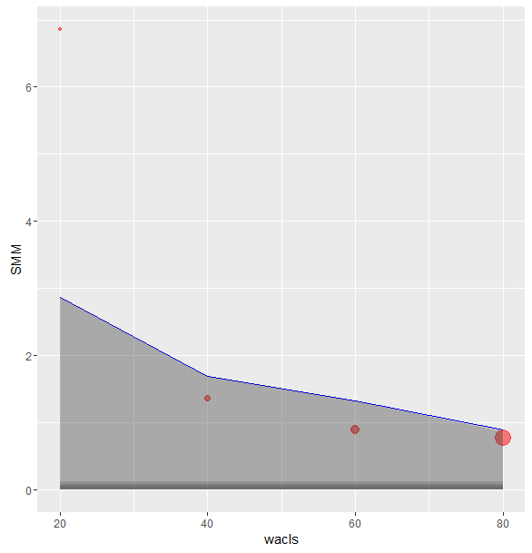
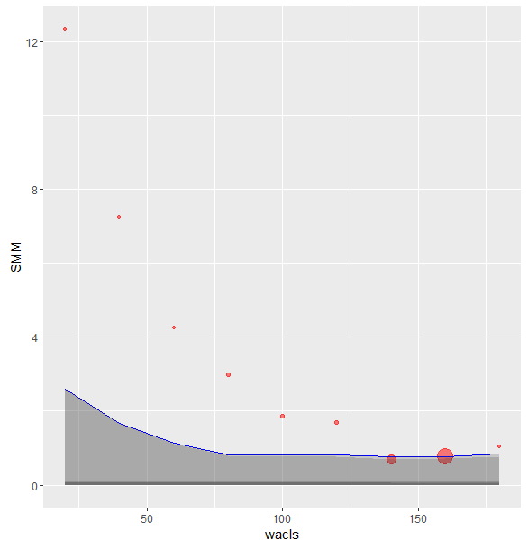
OLS 85K
OLS 175K

